Sheet1
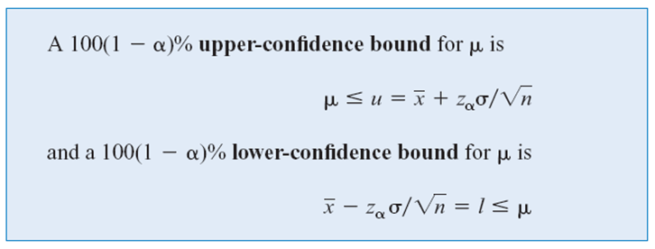
Sample | Energy
1 | 64.1
2 | 64.7
3 | 64.5
4 | 64.6
5 | 64.5
6 | 64.3
7 | 64.6
8 | 64.8 | mean (x-bar) | 64.46 |  | 95% CI | =100(1- alpha)% = 95
9 | 64.2 | z | 1.9599639845 | =NORM.S.INV(1-0.05/2) |  | alpha = 0.05
10 | 64.3 | s.d. (sigma) | 1 | 0.31622776602 |  | alpha/2 = 0.025 | z | z(alpha) | 1.644853627
 |  | Lower Bound | 63.840204968 | =E9-E10*F11 |  |  | Upper Confidence Bound | 64.980148388
 |  | Upper Bound | 65.079795032 | =E9+E10*F11

 |  |  |  |  |  |  | z | z(alpha)
 |  |  |  |  |  |  | Lower Confidence Bound | 63.939851612

 |  | E | 0.5
 |  | n » | 15.365835283 | =POWER((E10*1)/E25,2)
 |  | \ n = | 16

